25 Halls, Haversine Distance
...
 |  |  |  |  |  |  |  |  |  |  |  |  |  |  |  |  |  |  |  |  |  |  | Crescent | Pioneer | Binjai | Tanjong | Banyan | Tamarind | Saraca | Graduate Hall 1 | Graduate Hall 2
 |  | 177 |  | Tamarind | Hall 22 | 0 | 998 | 0 | 568 | 0 | 0 | 0 | 0 | 0 | 0 | 0 | 157 | 0 | 0 | 0 | 0 | 0 | 0 | 0 | 0 | 0 | 0 | 0 | 0 | 0 | 0 | 157
 |  | 166 |  | Saraca | Hall 23 | 0 | 1040 | 0 | 599 | 0 | 0 | 0 | 0 | 0 | 0 | 0 | 174 | 0 | 0 | 0 | 0 | 0 | 0 | 0 | 0 | 0 | 0 | 0 | 0 | 0 | 0 | 174
 |  | 99 | dMax | Graduate Hall 1 | Hall 24 | 0 | 1060 | 0 | 796 | 0 | 0 | 0 | 0 | 0 | 0 | 0 | 135 | 0 | 0 | 0 | 0 | 0 | 0 | 0 | 0 | 0 | 0 | 0 | 0 | 0 | 0 | 135
 |  | 0 | 1300 | Graduate Hall 2 | Hall 25 | 0 | 1070 | 0 | 736 | 0 | 0 | 0 | 0 | 0 | 0 | 0 | 111 | 0 | 0 | 0 | 0 | 0 | 0 | 0 | 0 | 0 | 0 | 0 | 0 | 0 | 0 | 111

 |  |  |  |  |  |  |  |  |  |  |  |  |  |  |  |  |  |  |  |  |  |  |  |  |  |  |  |  |  |  |  | k
 |  |  |  |  |  |  |  |  |  |  |  |  |  |  |  |  |  |  |  |  |  |  |  |  |  |  |  |  |  |  |  | 372

Maximum distance a customer has to walk to nearest facility(k) against Chosen number of facilities (P)
Maximum distance a customer has to walk to nearest facility (k) against Chosen number of facilities (P)
 |  | Graduate Hall 2 |  |  | W unbound | P | k |  |  |  |  |  |  |  |  |  |  |  |  |  |  | W <= 600 | P | k
 |  | 0 |  |  |  | 1 | 1250 |  |  |  |  |  |  |  |  |  |  |  |  |  |  |  | 1 | 1070
 |  | 0 |  |  |  | 2 | 888 |  |  |  |  |  |  |  |  |  |  |  |  |  |  |  | 2 | 835
 |  | 0 |  |  |  | 3 | 509 |  |  |  |  |  |  |  |  |  |  |  |  |  |  |  | 3 | 372
 |  | 0 |  |  |  | 4 | 398 |  |  |  |  |  |  |  |  |  |  |  |  |  |  |  | 4 | 398
 |  | 0 |  |  |  | 5 | 383 |  |  |  |  |  |  |  |  |  |  |  |  |  |  |  | 5 | 383
 |  | 0 |  |  |  | 6 | 302 |  |  |  |  |  |  |  |  |  |  |  |  |  |  |  | 6 | 302
 |  | 0 |  |  |  | 7 | 254 |  |  |  |  |  |  |  |  |  |  |  |  |  |  |  | 7 | 304
 |  | 0 |  |  |  | 8 | 187 |  |  |  |  |  |  |  |  |  |  |  |  |  |  |  | 8 | 205
 |  | 0 |  |  |  | 9 | 187 |  |  |  |  |  |  |  |  |  |  |  |  |  |  |  | 9 | 166
 |  | 0 |  |  |  | 10 | 166 |  |  |  |  |  |  |  |  |  |  |  |  |  |  |  | 10 | 197
 |  | 0 |  |  |  | 11 | 197 |  |  |  |  |  |  |  |  |  |  |  |  |  |  |  | 11 | 166
 |  | 0 |  |  |  | 12 | 166 |  |  |  |  |  |  |  |  |  |  |  |  |  |  |  | 12 | 166
 |  | 0 |  |  |  | 13 | 165 |  |  |  |  |  |  |  |  |  |  |  |  |  |  |  | 13 | 165
 |  | 0 |  |  |  | 14 | 118 |  |  |  |  |  |  |  |  |  |  |  |  |  |  |  | 14 | 135
 |  | 0 |  |  |  | 15 | 112 |  |  |  |  |  |  |  |  |  |  |  |  |  |  |  | 15 | 112
 |  | 0 |  |  |  | 16 | 110 |  |  |  |  |  |  |  |  |  |  |  |  |  |  |  | 16 | 110
 |  | 0 |  |  |  | 17 | 103 |  |  |  |  |  |  |  |  |  |  |  |  |  |  |  | 17 | 103
 |  | 0 |  |  |  | 18 | 99 |  |  |  |  |  |  |  |  |  |  |  |  |  |  |  | 18 | 99
 |  | 0 |  |  |  | 19 | 90 |  |  |  |  |  |  |  |  |  |  |  |  |  |  |  | 19 | 90
0 | 0 | 0 |  |  |  | 20 | 87 |  |  |  |  |  |  |  |  |  |  |  |  |  |  |  | 20 | 87
0 | 0 | 0 |  |  |  | 21 | 84 |  |  |  |  |  |  |  |  |  |  |  |  |  |  |  | 21 | 84
0 | 0 | 0 |  |  |  | 22 | 81 |  |  |  |  |  |  |  |  |  |  |  |  |  |  |  | 22 | 81
1 | 0 | 0 |  |  |  | 23 | 44 |  |  |  |  |  |  |  |  |  |  |  |  |  |  |  | 23 | 44
0 | 1 | 0 |  |  |  | 24 | 34 |  |  |  |  |  |  |  |  |  |  |  |  |  |  |  | 24 | 34
0 | 0 | 1 |  |  |  | 25 | 0 |  |  |  |  |  |  |  |  |  |  |  |  |  |  |  | 25 | 0

 |  |  |  |  | P
0 | 0 | 0 | 3 | = | 3
 |  |  |  |  |  |  |  |  | Because of software compability, this map is NOT interactive on Mac machines.
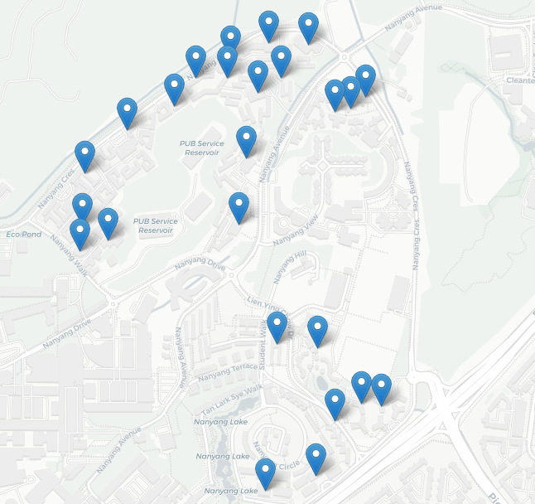
Cost Benefit Analysis
 |  |  |  |  |  |  | Interactive Map |  |  |  |  |  |  |  |  |  |  |  |  |  |  |  | Cost Benefit Analysis, W<= 600
0 | 0 | 0 |  |  |  |  |  |  |  |  |  |  |  |  |  |  |  |  |  |  |  |  | Cost (P*c) | Cost % Increase | Demand(k) | Demand % Increase
2340 | 2360 | 2370 |  |  |  |  |  |  |  |  |  |  |  |  |  |  |  |  |  |  |  |  | 430 | 0.00% | 1070 | 0.00%
3418 | 3460 | 3462 |  |  |  |  |  |  |  |  |  |  |  |  |  |  |  |  |  |  |  |  | 860 | 100.00% | 835 | 21.96%
1899 | 2096 | 2036 |  |  |  |  |  |  |  |  |  |  |  |  |  |  |  |  |  |  |  |  | 1290 | 50.00% | 372 | 55.45%
3850 | 3900 | 3900 |  |  |  |  |  |  |  |  |  |  |  |  |  |  |  |  |  |  |  |  | 1720 | 33.33% | 398 | 6.99%
3820 | 3840 | 3860 |  |  |  |  |  |  |  |  |  |  |  |  |  |  |  |  |  |  |  |  | 2150 | 25.00% | 383 | 3.77%
3468 | 3488 | 3500 |  |  |  |  |  |  |  |  |  |  |  |  |  |  |  |  |  |  |  |  | 2580 | 20.00% | 302 | 21.15%
2692 | 2946 | 2857 |  |  |  |  |  |  |  |  |  |  |  |  |  |  |  |  |  |  |  |  | 3010 | 16.67% | 304 | 0.66%
3062 | 3144 | 3125 |  |  |  |  |  |  |  |  |  |  |  |  |  |  |  |  |  |  |  |  | 3440 | 14.29% | 205 | 32.57%
2902 | 2984 | 2959 |  |  |  |  |  |  |  |  |  |  |  |  |  |  |  |  |  |  |  |  | 3870 | 12.50% | 166 | 19.02%
2718 | 2808 | 2751 |  |  |  |  |  |  |  |  |  |  |  |  |  |  |  |  |  |  |  |  | 4300 | 11.11% | 197 | 18.67%
1474 | 1435 | 1411 |  |  |  |  |  |  |  |  |  |  |  |  |  |  |  |  |  |  |  |  | 4730 | 10.00% | 166 | 15.74%
3215 | 3451 | 3374 |  |  |  |  |  |  |  |  |  |  |  |  |  |  |  |  |  |  |  |  | 5160 | 9.09% | 166 | 0.00%
3104 | 3339 | 3262 |  |  |  |  |  |  |  |  |  |  |  |  |  |  |  |  |  |  |  |  | 5590 | 8.33% | 165 | 0.60%
2986 | 3219 | 3142 |  |  |  |  |  |  |  |  |  |  |  |  |  |  |  |  |  |  |  |  | 6020 | 7.69% | 135 | 18.18%
2778 | 3025 | 2940 |  |  |  |  |  |  |  |  |  |  |  |  |  |  |  |  |  |  |  |  | 6450 | 7.14% | 112 | 17.04%
3280 | 3490 | 3424 |  |  |  |  |  |  |  |  |  |  |  |  |  |  |  |  |  |  |  |  | 6880 | 6.67% | 110 | 1.79%
3680 | 3670 | 3690 |  |  |  |  |  |  |  |  |  |  |  |  |  |  |  |  |  |  |  |  | 7310 | 6.25% | 103 | 6.36%
3720 | 3690 | 3720 |  |  |  |  |  |  |  |  |  |  |  |  |  |  |  |  |  |  |  |  | 7740 | 5.88% | 99 | 3.88%
2944 | 2795 | 2852 |  |  |  |  |  |  |  |  |  |  |  |  |  |  |  |  |  |  |  |  | 8170 | 5.56% | 90 | 9.09%
2961 | 2787 | 2854 |  |  |  |  |  |  |  |  |  |  |  |  |  |  |  |  |  |  |  |  | 8600 | 5.26% | 87 | 3.33%
3010 | 2797 | 2883 |  |  |  |  |  |  |  |  |  |  |  |  |  |  |  |  |  |  |  |  | 9030 | 5.00% | 84 | 3.45%
2644 | 2861 | 2777 |  |  |  |  |  |  |  |  |  |  |  |  |  |  |  |  |  |  |  |  | 9460 | 4.76% | 81 | 3.57%
3900 | 2859 | 2766 |  |  |  |  |  |  |  |  |  |  |  |  |  |  |  |  |  |  |  |  | 9890 | 4.55% | 44 | 45.68%
2859 | 3900 | 2699 |  | W |  |  |  |  |  |  |  |  |  |  |  |  |  |  |  |  |  |  | 10320 | 4.35% | 34 | 22.73%
2766 | 2699 | 3900 | >= | 600 |  |  |  |  |  |  |  |  |  |  |  |  |  |  |  |  |  |  | 10750 | 4.17% | 0 | 100.00%

 |  |  |  |  |  |  |  |  |  |  |  |  |  |  |  |  |  |  |  |  |  |  | c represents the average cost of any hall in NTU. In this case, c = 430.

 |  |  |  |  |  |  |  |  |  |  |  |  |  |  |  |  |  |  |  |  |  |  | Room rates data retrieved from https://i.redd.it/iknbo25e1s591.jpg (most updated as of July 2022)

